INSTRUCTIONS for Using Agenda
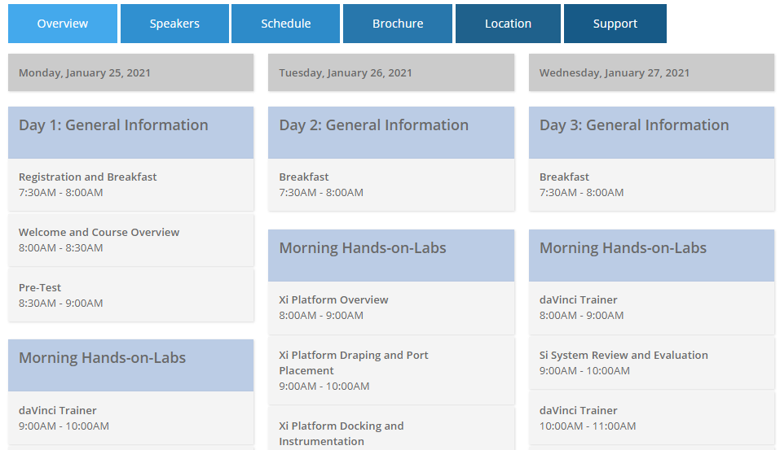
 | AGENDA/ SCHEDULE IMPORT for Attendee Portal
1 | The verbiage on this agenda is for example purposes only. Type over information or delete what is unnecessary.
2 | Column A - HEADINGS - OPTIONAL - This shows on the portal in the Schedule > example to the right
3 | Columns B and D > Start Time and End Time are entered in military time format; do not add AM or PM, the formatting does that.
4 | Columns C and E > Start Date and End Date should be entered in format as shown
5 | Column F > Enter Speaker Presentation Name (can be changed later if needed)
6 | Column G and H > Enter Speakers First and Last Name
7 | Column I > Enter Speaker credentials - MD, DO, Pharmacist, PA, None (doesn't have to be physician)
8 | Column J > Enter 'Yes or X' if speaker will provide a presentation
9 | Column K > FORMULAS - DO NOT change this column. NOTE: Amount of time changes based on what is entered in columns B and D.
10 | Column L > Enter the maximum number of seats available for this lecture. Example: a hotel room may only allow 50 participants; the Werner auditorium has 164 seats; video-conferencing can be 10000; if a lab you may only have 10 participants, etc.
11 | Column M > Enter the Meeting Room Name; Example: Werner Auditorium, Creation C
12 | Day 1, Rows 15-19 > FORMULAS - DO NOT change these rows. The number of hours for each day are brought over from each page.
13 | Row 8 (any type of lunch breakout) > Will this be a working lunch or their time?
14 | Upload the agenda with the application to determine the number of hours approved. Once approved, the organizing department can market the approved number of CME credits.
15 | Day 1, Row 20 > Asks if additional information needs to be added to the registration form.
16 | To prevent confusion, DELETE DAYS (TABS ACROSS THE BOTTOM) THAT DON'T PERTAIN TO THIS ACTIVITY
17 | FACULTY > Disclosure information will be added on this page for application approval

